Clients Requirement
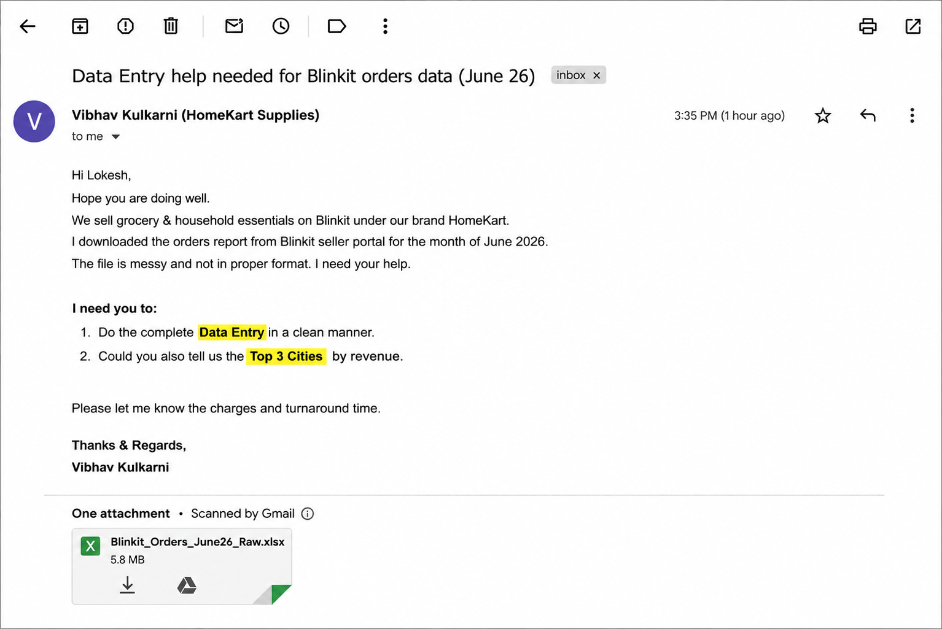
Clients's Requirement

final result
Row Labels | Sum of Net Amount
Delhi | 23607.26
Gurgaon | 16052.63
Noida | 15648.12
Grand Total | 55308.01

